Sheet1
 |  | Document No. | Issue No. | Issue Date |  | Review and Replace Date |  |  | Authorised By
 |  | GFF561MC | 1 | 17.06.2026 |  | New doc
 |  | Document Title | SWEET AND SOUR CHICKEN WITH EGG FRIED RICE 390G- Standard
 |  |  |  |  |  |  |  |  | Magda Shah
Document amendments reason for change |  | New doc | Page 1 of 1 |  | Previous Issue Date |  | New Doc |  | Uncontrolled copy unless signed original

CCSSR-R20TSE | SIMMER |  | SWEET AND SOUR CHICKEN WITH EGG FRIED RICE 390G -Standard
STEP 1 |  |  |  | STEP 2
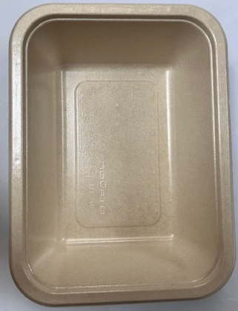 |  |  |  | 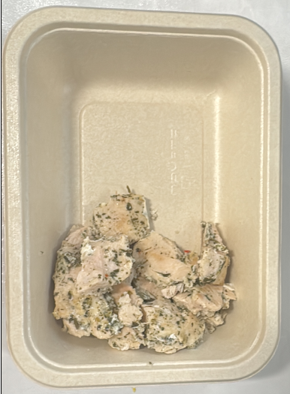
Tray: B187/45 Cuisine Kraft Tray- (PKNOV001-02) |  |  |  | Coriander Marinated Chicken - (Simmer)-GFF560R: 100g
Film: K-Peel EIPS N 45 (250mmX1000)-PKKMP001-09
STEP 3 |  |  | STEP 4 |  |  |  |  | STEP 5
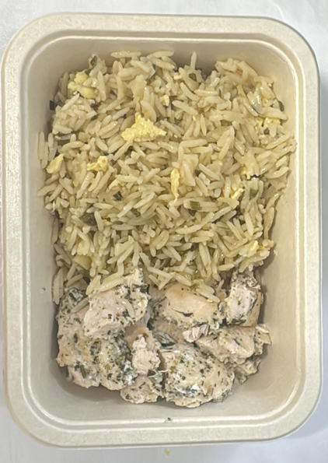 |  |  | 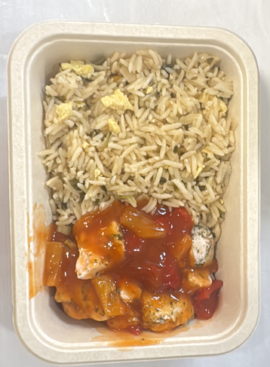 |  |  |  |  | 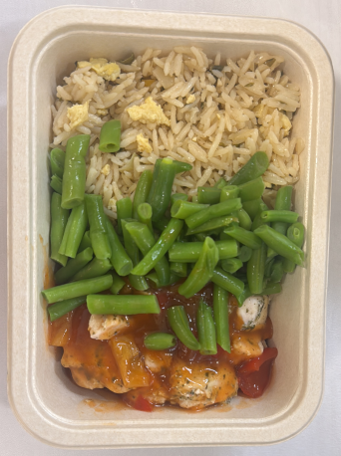
Egg Fried Rice -(Simmer) -GFF559R- 160g |  |  | Sweet and Sour Sauce ( Simmer) GFF558R: 75g |  |  |  |  | Steamed Green Beans -GFF204R-55g
Total Weight : 390g -Standard Product
ALLERGY ALERT: Egg, Wheat, Soya

